Info
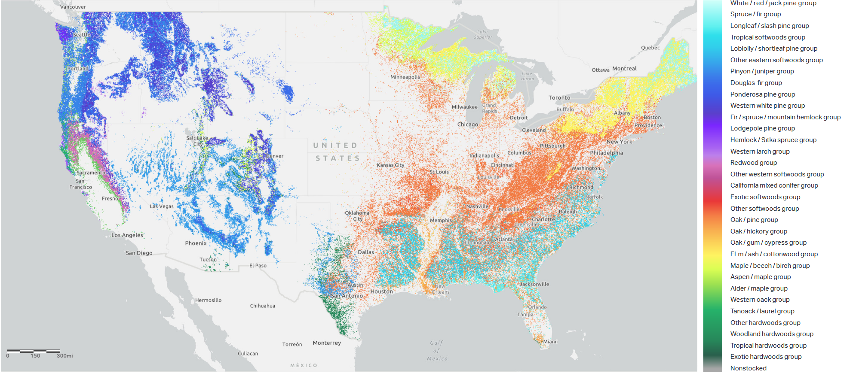
 | Building Elements Considerd in the study:
 | Structural Columns
 | Beams
 | Flooring
 | Framing

 | Four different scenarios for slash have been considered
1 | Site Composting | Leaving all the slash and log leftovers in the environment
2 | Pile Burning | Burning all the slash in a controlled environment

3 | Mastication | Creating mulch and spreading them in the forest
4 | Carbon Neutral | Using the byproducts, wood residues can find secondary market

 | OneClick LCA

 | To evaluate the embodied carbon of MT products, One Click LCA Carbon Accounting too has been selected for the Whole Building Life Cycle Assessment

 |  |  | Tree Specis and their native forest

 |  |  | Alaska Yellow Cedar | Pacific Northwest
 |  |  | Douglas Fir | Pacific Northwest
 |  |  | Hemlock Fir | Pacific Northwest
 |  |  | Ponderosa Pine | Southwest region
 |  |  | Southern Yellow Pine | Southeast region
 |  |  | Spruce Pine Fir | Northeast region
 |  |  | Western Red Cedar | Pacific Northwest

Calculator Interface
1. Data Input |  |  |  |  |  |  |  | 2. Calculations

 | Description
 | The tool gets the volume of wood used in the mass timber as well as the type of the tree species used in the project. In the next step, the user selects the treatment of tree slash. |  |  |  |  |  |  |  | Using the user inputs, the tool calculates the above and below ground biomass for the slash and thus, the amount of biogenic release carbon |  |  |  |  |  | Value claculated from Oneclick LCA_Kg CO2 eq | The amount of carbon released from slash_Kg CO2 eq

 |  | Subassembly Input | Tree Type | Amount | Unit | Slash Scenario | Model chosen |  | Density (Kg/m3) | Wood Needed_Kg | AGB Value | BGB Value | Slash_Kg |  | Current Biogenic Carbon | Slash_ Released Biogenic Carbon | New Biogenic Carbon | Diffenrece | Adjusted EPD

 | 1 | Structural Columns | Western Red Cedar | 9,860.00 | ft3 | Mastication | OneClick LCA |  | 370 | 294,632.01 | 803.47 | 208.90 | 81,023.80 |  | -272,888.26 | 10,447.43 | -262,440.82 | 3.83% | 1.06 | -27.676293847 | 96.17%
 | 2 | Flooring | Douglas Fir | 46,980.00 | ft3 | Mastication | OneClick LCA |  | 510 | 1,935,015.66 | 274,668.00 | 71,413.68 | 435,378.52 |  | -1,300,232.28 | 44,497.03 | -1,255,735.26 | 96.58% |  | -26.616716385
 | 3 | Framing | Spruce Pine Fir | 58,400.00 | ft3 | Mastication | OneClick LCA |  | 525 | 2,476,130.02 | 364,319.16 | 94,722.98 | 557,129.25 |  | -1,616,295.56 | 56,936.64 | -1,559,358.92 | 96.48%
 | 4
 | 5
 | 6
 | 7
 | 8
 | 9
 | 10
 |  |  |  | 115,240.00 |  |  |  |  | 468.33333333

4. Graphics

Average CO2e Release Over a Decade Through Decomposition
 | Alaska Yellow Cedar | Douglas Fir | Hemlock Fir | Ponderosa Pine | Southern Yellow Pine | Spruce Pine Fir | Western Red Cedar
1 | 1,464.95 | 5,747.66 | 3,863.85 | 1,359.42 | 1,030.56 | 758.09 | 217.29
2 | 2,825.48 | 10,837.18 | 7,219.91 | 2,529.48 | 1,882.14 | 1,401.38 | 409.49
3 | 4,089.22 | 15,344.63 | 10,135.32 | 3,536.56 | 2,586.10 | 1,947.52 | 579.72
4 | 5,263.27 | 19,337.26 | 12,668.32 | 4,403.36 | 3,168.26 | 2,411.42 | 730.69
5 | 6,354.19 | 22,874.50 | 14,869.39 | 5,149.42 | 3,649.88 | 2,805.64 | 864.77
6 | 7,368.11 | 26,008.86 | 16,782.31 | 5,791.57 | 4,048.49 | 3,140.81 | 984.01
7 | 8,310.67 | 28,786.75 | 18,445.05 | 6,344.26 | 4,378.55 | 3,425.90 | 1,090.20
8 | 9,187.12 | 31,249.21 | 19,890.55 | 6,819.97 | 4,651.97 | 3,668.51 | 1,184.90
9 | 10,002.35 | 33,432.51 | 21,147.38 | 7,229.42 | 4,878.56 | 3,875.06 | 1,269.47
10 | 10,760.86 | 35,368.71 | 22,240.32 | 7,581.84 | 5,066.44 | 4,050.97 | 1,345.10

Wood Biogenic Carbon vs Slash Biogenic Carbon_Site Composting

Slash Biogenic EPD based on Tree Species
Biogenic EPD
 |  | EPD
Current EPD |  | -27.68
Mastication |  | -27.40
Site Composting |  | -18.92
Pile Burning |  | -9.96

New EPD

 |  | Site Composting | EPD |  |  |  |  |  |  |  |  |  | Scenario | EPD
 |  |  |  |  |  |  |  |  |  |  |  |  | Current EPD | -27.68
 |  | Alaska Yellow Cedar | -15.6 |  |  |  |  |  |  |  |  |  | Mastication | -27.40
 |  | Douglas Fir | -17.95 |  |  |  |  |  |  |  |  |  | Site Composting | -18.92
 |  | Hemlock Fir | -18.62 |  |  |  |  |  |  |  |  |  | Pile Burning | -9.96
 |  | Ponderosa Pine | -20.65
 |  | Southern Yellow Pine | -14.98
 |  | Spruce Pine Fir | -17.13
 |  | Western Red Cedar | -27.54

 |  |  | -18.92

 |  | Pile Burning | EPD

 |  | Alaska Yellow Cedar | -5.95
 |  | Douglas Fir | -9.51
 |  | Hemlock Fir | -11.05
 |  | Ponderosa Pine | -15.1
 |  | Southern Yellow Pine | -5
 |  | Spruce Pine Fir | -8.8
 |  | Western Red Cedar | -14.3

 |  |  | -9.96

 |  | Mastication | EPD

 |  | Alaska Yellow Cedar | -26.83
 |  | Douglas Fir | -29.96
 |  | Hemlock Fir | -27.03
 |  | Ponderosa Pine | -27.19
 |  | Southern Yellow Pine | -26.79
 |  | Spruce Pine Fir | -26.94
 |  | Western Red Cedar | -27.04

 |  |  | -27.40

Comparison
 | Current Biogenic Carbon | Slash Releasedd Biogenic Carbon _ Site Composting | Slash Releasedd Biogenic Carbon _ Pile Burning | Slash Releasedd Biogenic Carbon _ Mastication |  | Biogenic Carbon _ Current Industry Practice | Biogenic Carbon _ Site Composting | Biogenic Carbon _ Pile Burning | Biogenic Carbon _ Mastication
Structural Columns | -272,888.26 | 98,351.32 | 181,578.89 | 11,780.12 | Structural Columns | -272,888.26 | -174,536.94 | -91,309.37 | -261,108.14
Flooring | -1,300,232.28 | 460,418.42 | 854,677.02 | 44,497.03 | Flooring | -1,300,232.28 | -839,813.87 | -445,555.27 | -1,255,735.26
Framing | -1,616,295.56 | 610,698.19 | 1,100,607.27 | 56,936.64 | Framing | -1,616,295.56 | -1,005,597.37 | -515,688.29 | -1,559,358.92

Wood Biogenic carbon vs Slash Biogenic Carbon

Wood Biogenic Carbon vs Slash Biogenic Carbon

